1. Welcome and Instructions
Welcome to your program design & budgeting workbook!

Below you'll find notes and instructions on how to you use this workbook. Move on to the next tab when you are ready to begin using the workbook.

What is this workbook for?

🏠 Use this workbook to help plan for various California Department of Social Services (CDSS) housing programs such as Bringing Families Home (BFH), Home Safe, Housing and Disability Advocacy Program (HDAP), and CalWORKs Housing Support Program (HSP).

🔩 After completing this workbook, you'll have a clearer understanding of your program's costs and a strong starting point for key design choices like staffing, program slots, and service offerings.

🏁 This workbook is designed to highlight budgetary constraints early on. You may initially discover that you're projected to exceed your budget, but by making program design adjustments you can design a sustainable model from which to begin your program.

📋 Instructions

1) In tab '2. Program Setup' follow the steps from top to bottom, entering your assumptions into the light blue cells.

2) In tab '3. Program Budget Summary' you will review the resulting budget and costs, gaining insight into what kinds of program changes are needed to create a sustainable budget.

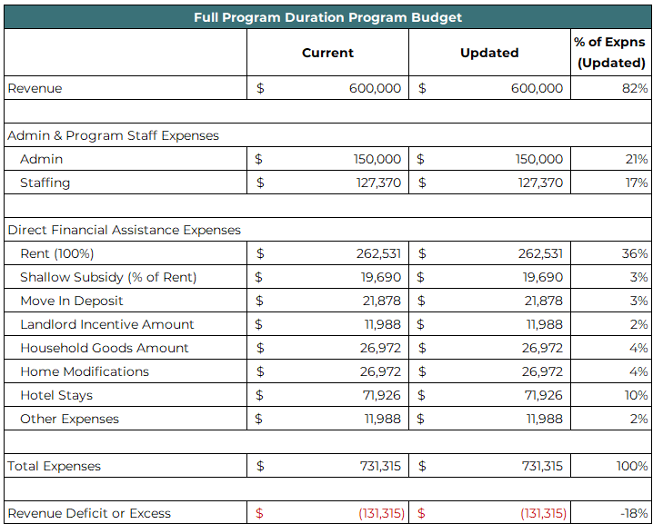
3) You can experiment with different program assumptions by returning to tab 2 or you can use tab '4. Assumptions & Budget' for a more dense side by side view of your assumptions and the resulting budget.

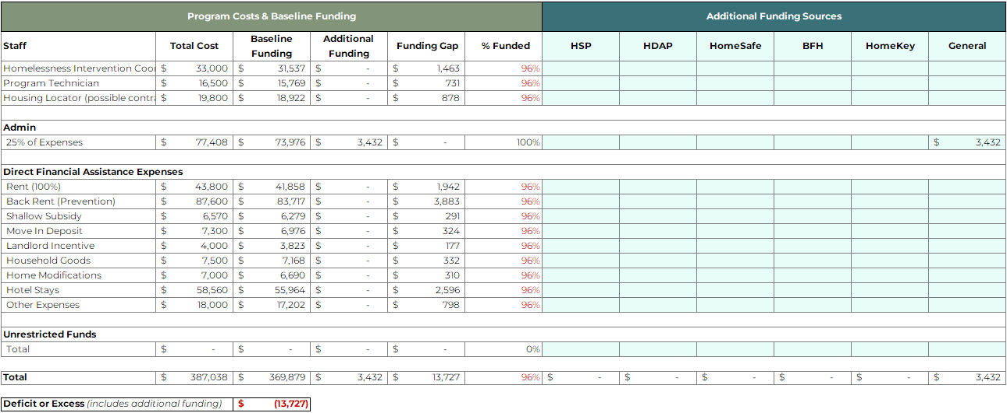
2) Use the '5. Braided Funding Budget' tab to bolster your budget with additional sources of funding. Your budget total wiil update automatically as you enter funding amounts into the light blue cells.

🛠️ Tips and Tricks

1) Adjust your zoom with the slider in the bottom right of your Excel window to fit the width of each tab to your screen. Most tabs are the same width.

2) Only the light blue cells should be edited! Editing other cells could break a formula, compromising the workbook. If that happens, simply start over with a fresh copy of the workbook.

3) Most cells with formulas are 'locked' and protected. You will get a pop up that prevents you from editing those cells. If you are proficient in Excel and would like to remove protection from a tab then right click on the tab name and select 'unprotect sheet'. There is no password :) | 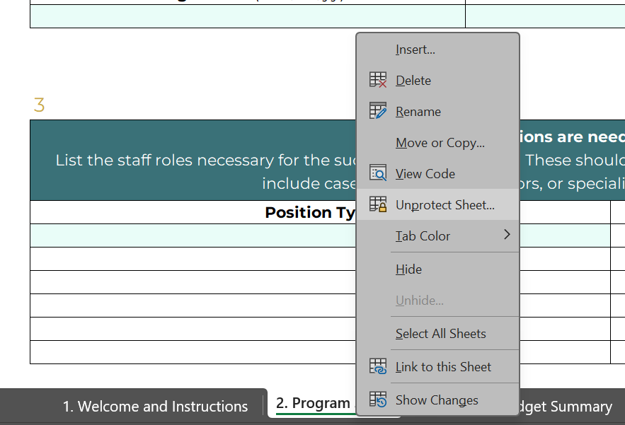

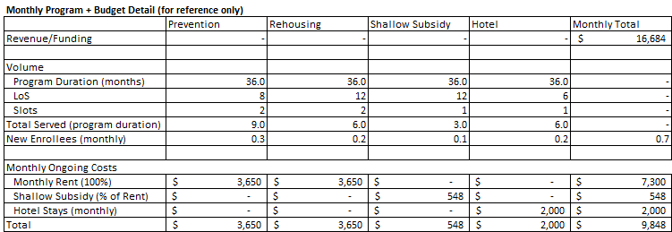
4) For those proficient in Excel and interested in understanding the underlying logic, the reference tables and formulas are located in hidden rows and columns.

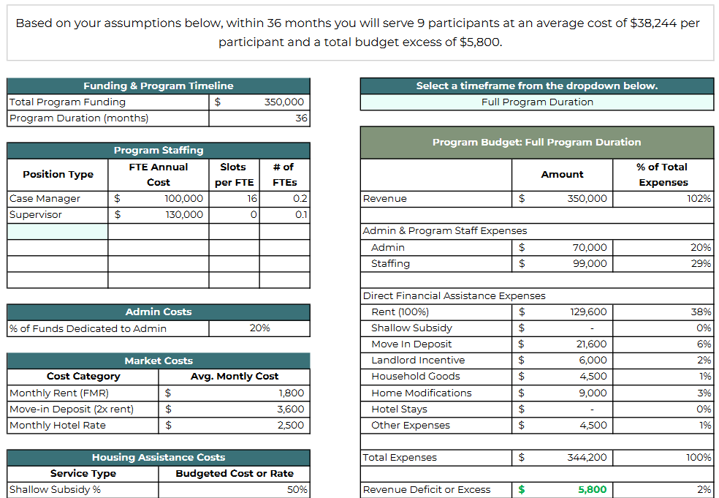
5) Already comfortable with the program assumptions that result in the budget? If so, then the '6. Quick Program Budget' tab will let you create a new budget quickly - and it's sized to be easily printable.

🐛 Need help or encountered a bug?

Reach out to Change Well Project any time for assistance, to report bugs, or to request future enhancements :)

🎢 Ready to get started?

Click Here to Move On to Program Setup

1
What are your funding sources and the amount of each? List your sources of funding for this program and the total amount each will dedicate to the program.

You Finished! Click to Here View the Resulting Budget You can return to this tab to make adjustments if you find that you are over or under budget.

