Other Tools from CWP
Other Tools to Help with Your Program

Tools to support the work below are available to you with our without individualized technical assistance. Tell us what you need and we'll send it your way!

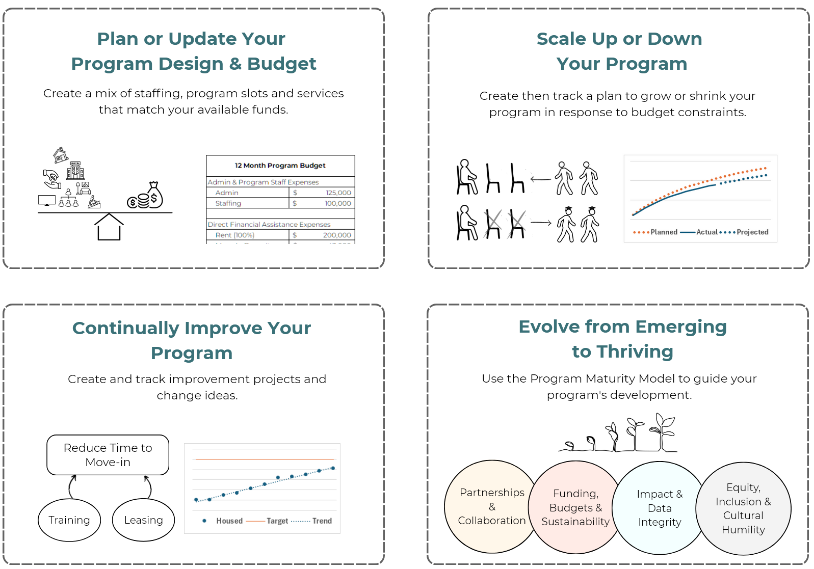

Looking for an assist on any of the above?

Change Well Project is here to help: email us at info@changewellproject.com

